Worksheet

Category | PHOTO | Name RCR | EAN | Description | Pcs. Per Carton | Pcs. per Pallet | Pcs per Masterbox | Pieces | Price List | Tot. Price-List
Houseold | 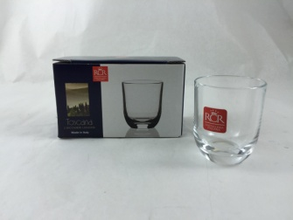 | RCR-24721020006 | 8007815247219 | BICCHIERE LIQUORE TOSCANA - | 2 | 3528 | 12 | 19094 | 2.99 € | 57,138.80 €
Houseold | 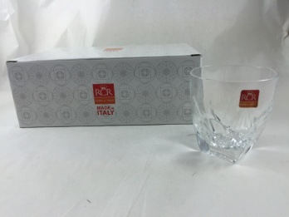 | RCR-25023020006 | 8007815250233 | BICCHIERE ACQUA FIOR DI LOTO | 6 | 960 | 12 | 44324 | 2.26 € | 100,327.37 €
Houseold | 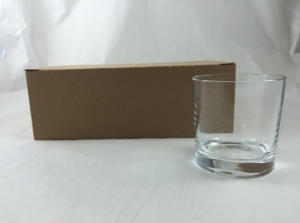 | RCR-25026020006 | 8007815250264 | BICCHIERE TOSCANA 3 | 6 | 1080 | 24 | 83688 | 2.16 € | 180,389.48 €
Houseold | 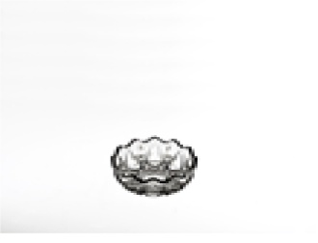 | RCR-25096020006 | 8007815250967 | COPPETTA ANYUSE 199 LX C.I. | 72 | 3024 | 72 | 14922 | 0.79 € | 11,751.07 €
Houseold | 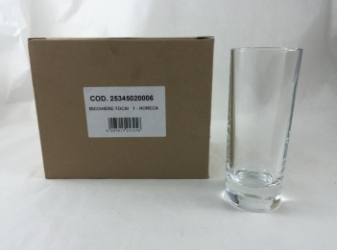 | RCR-25345020006 | 8007815253456 | BICCHIERE TOCAI | 6 | 1296 | 24 | 22122 | 3.80 € | 84,118.91 €
Houseold | 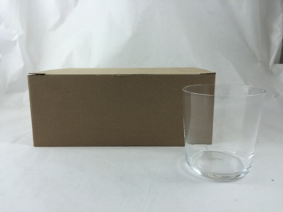 | RCR-25390020106 | 8007815253906 | BICCHIERE SIDRO 2 | 6 | 1200 | 24 | 10332 | 3.42 € | 35,335.44 €
Houseold | 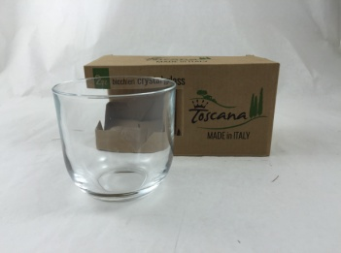 | RCR-25448020006 | 8007815254484 | BICCHIERE ALISEO 2 | 2 | 1512 | 12 | 3024 | 2.72 € | 8,232.84 €
Houseold | 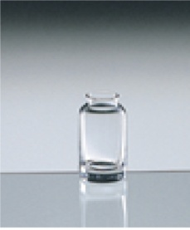 | RCR-43266900106 |  | SPARGISALE DELTA CI | 48 | 1920 | 48 | 5708 | 2.23 € | 12,740.26 €
Houseold | 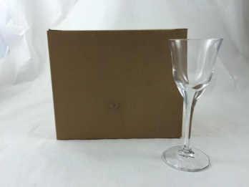 | RCR-45072800106 | 8007815450725 | CALICE RETSINA - 5 | 6 | 1296 | 24 | 2880 | 2.27 € | 6,544.80 €
Houseold | 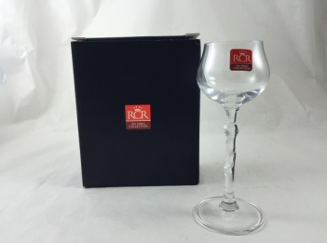 | RCR-45919020006 | 8007815459193 | CALICE TAKEN - 5 | 2 | 1080 | 12 | 5664 | 2.57 € | 14,528.16 €
Houseold |  | RCR-23996030006 | 8007815239962 | BICCHIERE VINO FUSION 20CL | 6 | 1020 | 12 | 44909 | 7.00 € | 314,363.00 €
Houseold | 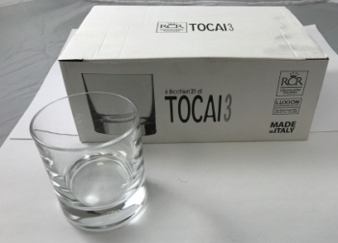 | RCR-25347020006 | 8007815253470 | BICCHIERE TOCAI WHIKSY 21CL | 6 | 1200 | 24 | 60514 | 6.70 € | 405,443.80 €
Houseold | 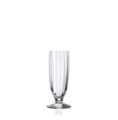 | RCR-45570020006 | 8007815455706 | CALICE LILIUM FL 17CL | 6 | 864 | 24 | 23706 | 11.50 € | 272,619.00 €
 |  |  |  |  |  |  |  | 340887 |  | 1,503,532.93 €

